Personal Expenditure
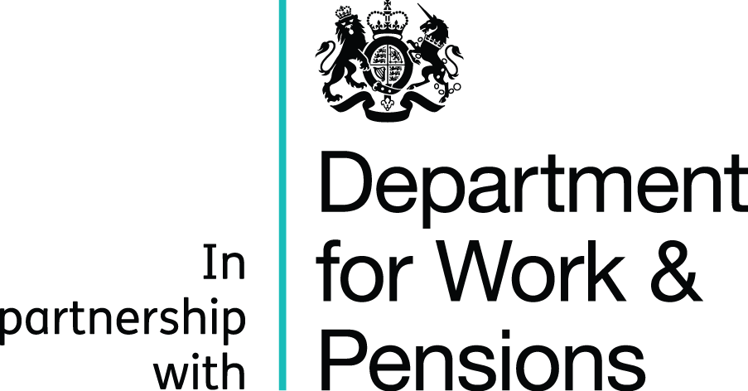


Personal Survival Budget

Name: | tracie walker

Business Name: | conscious candles n mindful melts

Date: | 2021-11-20

Personal Income | Monthly Income |  | Personal Expenditure | Monthly Expenditure

Employed Income |  |  | Rent/Mortgage | £280.00
Partner's Income |  |  | Council Tax | £200.00
Pension |  |  | Utilities | £60.00
Lodgers |  |  | TV Licence | £10.00
Maintenance |  |  | Phone/Internet | £29.00
DLA/PIP | £240.00 |  | TV Packages
Carers Allowance |  |  | Insurances | £10.00
Child Benefit |  | £240.00
 |  |  | Travel Expenses
Universal Credit | £700.00 |  | Car Tax and Insurance
Tax Credits
Housing Benefit | £280.00 |  | Groceries | £150.00
Council tax benefit | £200.00 | £1,180.00 | School/Work Dinners
 |  |  | Clothing
Job Seekers Allowance |  |  | Leisure and Hobbies | £50.00
Income Support |  |  | Pocketmoney
 |  |  | Pet Bills
Any other income |  |  | Child/adult care costs

 |  |  | Secured Loan
 |  |  | Unsecured Loans
 |  |  | Catalogues/Cards

 |  |  | Any other expenses | £50.00

TOTALS | £1,420.00 |  | TOTALS | £839.00

Any notes (IE. Savings/Live with parents)

